Milliman models
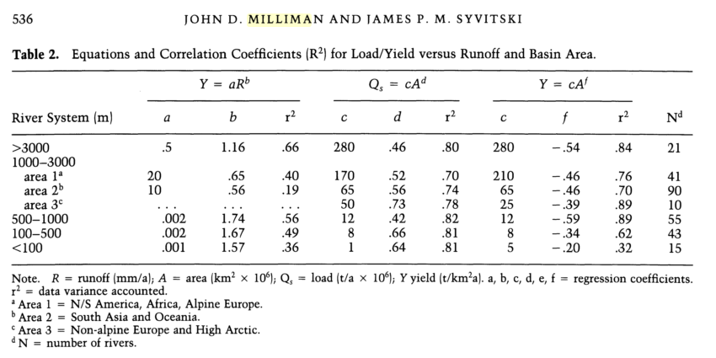
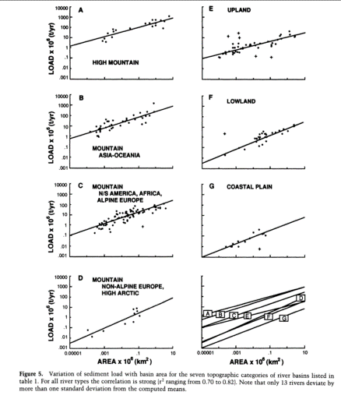
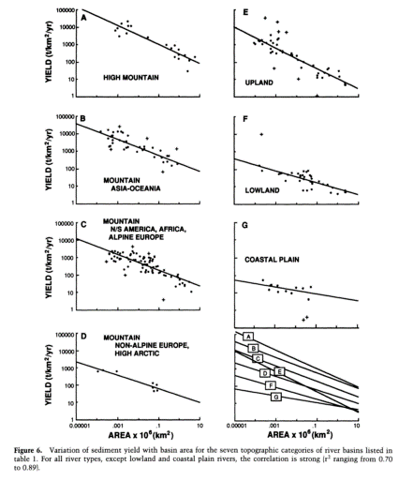
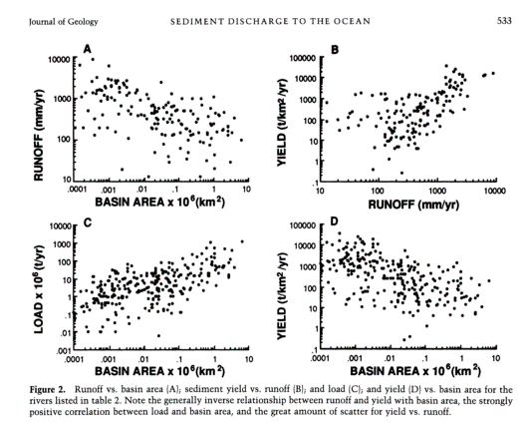
Milliman 1992 Table 2
SSY
Classification | max watershed elev | sediment load (Qs)=cA**d (Milliman 1992) | c | d | UPPER A km2 | UPPER A km2 x 10^6 | UPPER Qs tons/year | TOTAL A | TOTAL Qs
High Mountian | >3,000 m | Q = (280)A**0.46 | 280 | 0.46 | 0.9 | 0.0000009 | 0.464 | 1.78 | 365
 | 1,000-3,000 m | Q = (65)A**0.56 (Area 2: S. Asia, Oceania) | 65 | 0.56 | 0.9 | 0.0000009 | 0.027 | 1.78 | 90
 | 500-1,000 m | Q = (12)A**0.42 | 12 | 0.42 | 0.9 | 0.0000009 | 0.035 | 1.78 | 15
 | 100-500 m | Q = (8)A**0.66 | 8 | 0.66 | 0.9 | 0.0000009 | 0.001 | 1.78 | 12
 | <100 m | Q = (1)A**0.64 | 1 | 0.64 | 0.9 | 0.0000009 | 0.000 | 1.78 | 1
sSSY
Classification | max watershed elev | sediment yield (Y)=cA**f (Milliman 1992) | c | f | UPPER A km2 | UPPER A km2 x 10^6 | UPPER sSSY tons/km2/year | TOTAL A | TOTAL sSSY tons/km2/year
High Mountian | >3,000 m | Q = (280)A**-0.54 | 280 | -0.54 | 0.9 | 0.0000009 | 296 | 1.78 | 205
Mountain (Oceania) | 1,000-3,000 m | Q = (65)A**-0.46 (Area 2: S. Asia, Oceania) | 65 | -0.46 | 0.9 | 0.0000009 | 68 | 1.78 | 50
Upland | 500-1,000 m | Q = (12)A**-0.59 | 12 | -0.59 | 0.9 | 0.0000009 | 13 | 1.78 | 9
Lowland | 100-500 m | Q = (8)A**-0.34 | 8 | -0.34 | 0.9 | 0.0000009 | 8 | 1.78 | 7
Coastal Plain | <100 m | Q = (5)A**-0.20 | 5 | -0.2 | 0.9 | 0.0000009 | 5 | 1.78 | 4

